New Column
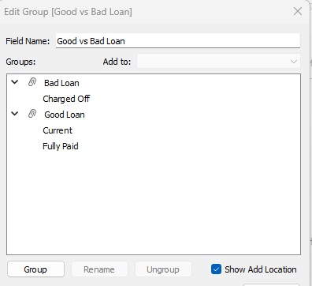
Column Name
Good vs Bad Loan

Parameters
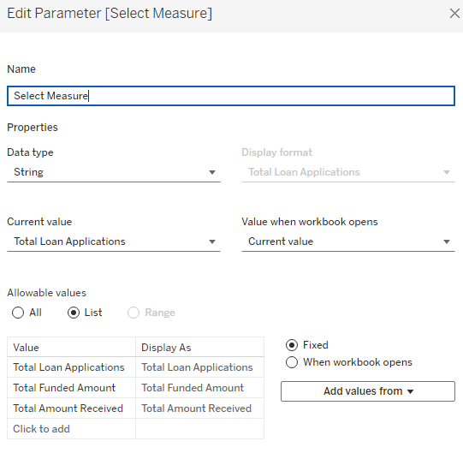
Parameter
Select Measure

